Serverless-arch
Archtecture

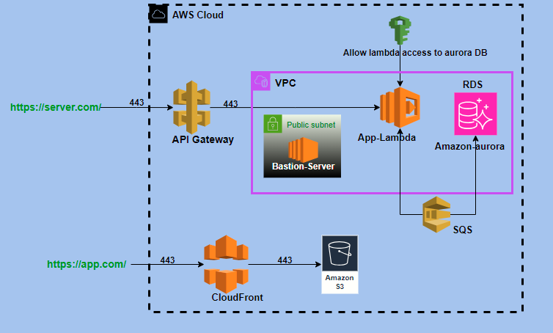

 |  |  |  |  |  |  |  |  |  |  |  | \

Service Name | Service type | CPU | Memory | Per hour | EBS per month | Total cost per month
EC2/ Bastion | t2.micro | 1 | 1 | 0.0124 cents | 25 GB * 0.o114 = $ 2.85 | $14
Note: Bastion server is 1 year Free tier is available after free tier then is cost

VPC | Natgateway | Per hour | Data Processed per Nat gateway |  | Public Ip used | Total cost per month
1 | 1 | 0.056 | 1 GB * 0.056 = 0.06 cetns |  | 1 * 0.005 = 3.65 | $45

Route 53 | Hosted zone | Per month | Per year
1 | 1 | $0.50 | $6

Cloud Front | Https request per month |  | Data transfer to internet per month |  | Data transfer out to origin | Total cost per month
 | 10 M = $1.20 |  | 10 GB = $ 1.09 |  | 10 GB = $ 1.60 | $2

API Gateway | 1 Millions request per month
 | $4

API key management | Per Month
 | $2

Lambda | Per month
 | $70

DB -Used By Ec2
Users | Service Name | Service type | CPU | Memory | Per hour | EBS per month | EBS snapshot per Monthly | Total cost per month
10 k | EC2 | t2.medium | 2 | 4 GiB | 0.0496 cents | 100 GB * 0.114= $ 12 | 100 GB *0.05 +$ 2.5 = $ 7.5 | $55
50 k | EC2 | t2.large | 2 | 8 GiB | 0.0992 cents | 500 GB * 0.114 = $ 57 | 500 GIB * 0.05 + $ 12.5 = $ 38 | $167

Databse used by RDS | Users | Each user storage | Total sotrage | 1 GIB per month | 500 GIB Storage cost | IO rate /depends on user workloads |  | Cost | 2 ACU | Backup storage | Total cost per month
Amazon Aurora | 50 K | 10 MB | 490 GIB | 0.11 Cents | $55 | Baseline IO rate | Per hour = 36 k | $9 | $132 | 100 GB * 0.023 = $ 2.30 | $199
 |  |  |  |  |  | Peak IO rate | per hour = 180k
 |  |  |  |  |  | Duration of peak IO activity | 100 hours per month

Amazon Aurora | 10 K | 10 MB | 98 GIB | 0.11 Cents |  | Baseline IO rate | Per hour = 36 k | $9 | $132 | 100 GB * 0.023 = $ 2.30 | $155
 |  |  |  |  | $11 | Peak IO rate | per hour = 180k
 |  |  |  |  |  | Duration of peak IO activity | 100 hours per month

without tax: Total cost of Ec2(t2.medium) with 10 K users = $ 193 Total cost of EC2 (t2.large) with 50 K users = $ 300 |  |  |  |  | without tax: Total cost of RDS with 10 K users = $ 290 Total cost of RDS with 50 K users = $337

S3

IMP ToolServer-Arch
Infrastucture:

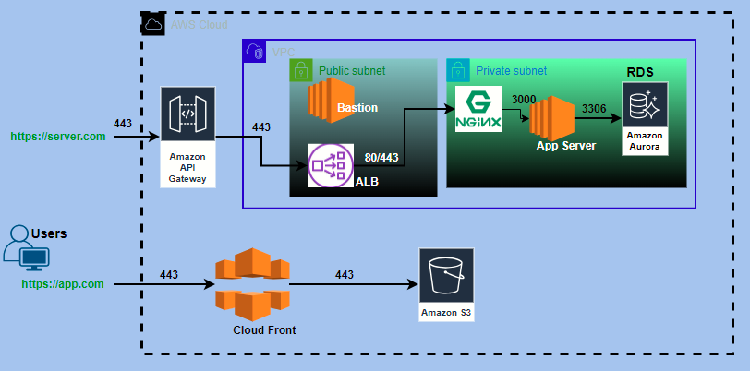

Cost Estimation

Service Name | Service type | CPU | Memory | Per hour | EBS per month | Total cost per month
EC2/Node server | t2.medium | 2 CPU | 8 GiB | 0.0992 cents | 30 GIB * 0.114 = $ 3.42 | $78
EC2/ Bastion | t2.micro | 1 | 1 | 0.0124 cents | 25 GB * 0.o114 = $ 2.85 | $14
Note: Bastion server is 1 year Free tier is available after free tier then is cost

VPC | Natgateway | Per hour | Data Processed per Nat gateway |  | Public Ip used | Total cost per month
1 | 1 | 0.056 | 1 GB * 0.056 = 0.06 cetns |  | 1 * 0.005 = 3.65 | $45

Route 53 | Hosted zone | Per month | Per year
1 | 1 | $0.50 | $6

Cloud Front | Https request per month |  | Data transfer to internet per month |  | Data transfer out to origin | Total cost per month
 | 10 M = $1.20 |  | 10 GB = $ 1.09 |  | 10 GB = $ 1.60 | $4

ALB | Per month | Data trancefer EC2 to IP per hour |  | Total cost per month
 | $17.46 | 1 GB * 0.008 /730 hours = $ 5.84 |  | $23

Snapshot | 1 GB Per Month
EC2 | 0.05 Cents

API Gateway | 1 Millions request per month
 | $4

RDS
Databse | Users | Each user storage | Total sotrage | 1 GIB per month | 500 GIB Storage cost | IO rate /depends on user workloads |  | Cost | 2 ACU | Backup storage | Total cost per month
Aurora Postgres sql Serverless | 50 K | 10 MB | 490 GIB | 0.11 Cents | $55 | Baseline IO rate | Per hour = 36 k | $9 | $132 | 100 GB * 0.023 = $ 2.30 | $199
 |  |  |  |  |  | Peak IO rate | per hour = 180k
 |  |  |  |  |  | Duration of peak IO activity | 100 hours per month

Aurora Postgres sql Serverless | 10 K | 10 MB | 98 GIB | 0.11 Cents |  | Baseline IO rate | Per hour = 36 k | $9 | $132 | 100 GB * 0.023 = $ 2.30 | $155
 |  |  |  |  | $11 | Peak IO rate | per hour = 180k
 |  |  |  |  |  | Duration of peak IO activity | 100 hours per month

Service Name | Users | Each user storage | Total sotrage | 1 GIB per month | 500 GIB Storage cost | API Calls | Download data | Total cost per month
s3 | 50k | 50 MB | 2.5 TB | 0.025 cents | $66 | 100k = $ 2 | 1 GIB = 0.11 cents
 | 50 K | 10 MB | 490 GIB | 0.025 cents | $15 | 100k = $ 2 | 1 GIB = 0.11 cents

Database using ec2 : without scalabilty, without backup & challanging to manage for DB
Users | Service Name | Service type | CPU | Memory | Per hour | EBS per month | EBS snapshot per Monthly | Total cost per month
10k | Ec2 | t2.micro | 1 | 1 GiB | 0.0124 cents | 100 GB * 0.114= $ 12 | 100 GB *0.05 +$ 2.5 = $ 7.5 | $28
 |  | t2.small | 1 | 2 GiB | 0.0248 cents | 100 GB * 0.114= $ 12 | 100 GB *0.05 +$ 2.5 = $ 7.5 | $37
 |  | t2.medium | 2 | 4 GiB | 0.0496 cents | 100 GB * 0.114= $ 12 | 100 GB *0.05 +$ 2.5 = $ 7.5 | $55
 |  | t2.large | 2 | 8 GiB | 0.0992 cents | 100 GB * 0.114= $ 12 | 100 GB *0.05 +$ 2.5 = $ 7.5 | $92
 |  | t2.xlarge | 4 | 16 GiB | 0.1984 cents | 100 GB * 0.114= $ 12 | 100 GB *0.05 +$ 2.5 = $ 7.5 | $164

50 K | Ec2 | t2.micro | 1 | 1 GiB | 0.0124 cents | 500 GB * 0.114 = $ 57 | 500 GIB * 0.05 + $ 12.5 = $ 38 | $105
 |  | t2.small | 1 | 2 GiB | 0.0248 cents | 500 GB * 0.114 = $ 57 | 500 GIB * 0.05 + $ 12.5 = $ 38 | $113
 |  | t2.medium | 2 | 4 GiB | 0.0496 cents | 500 GB * 0.114 = $ 57 | 500 GIB * 0.05 + $ 12.5 = $ 38 | $130
 |  | t2.large | 2 | 8 GiB | 0.0992 cents | 500 GB * 0.114 = $ 57 | 500 GIB * 0.05 + $ 12.5 = $ 38 | $167
 |  | t2.xlarge | 4 | 16 GiB | 0.1984 cents | 500 GB * 0.114 = $ 57 | 500 GIB * 0.05 + $ 12.5 = $ 38 | $240

without tax: Total cost of RDS with 10 K users = $324 Total cost of RDS with 50 K users = $368 |  |  |  | without tax: Total cost of Ec2(t2.medium) with 10 K users = $ 240 Total cost of EC2 (t2.large) with 50 K users = $ 336

Domain | Domain Protection | Total cost per year
.com | 550 IND | 4k
Note: Domain cost depends of domain names

Note: This is approxmate cost estimation, mightbe the will increase. 1. One EIP is free for Ec2 2. public SSL free, if you maintain the domain is an AWS console. 3. t2.micro ec2 is free tier available upto 1 year, after that it will chargeble. 4. S3 storage upto 5 TB is free of cost and after that s3 will chargeble, for example 1 Gb * 0.025 = 0.03 cents. 5. Data and snapshot cost will depends on data transfor in GB's

Serverless architecture :

